Project Specifications
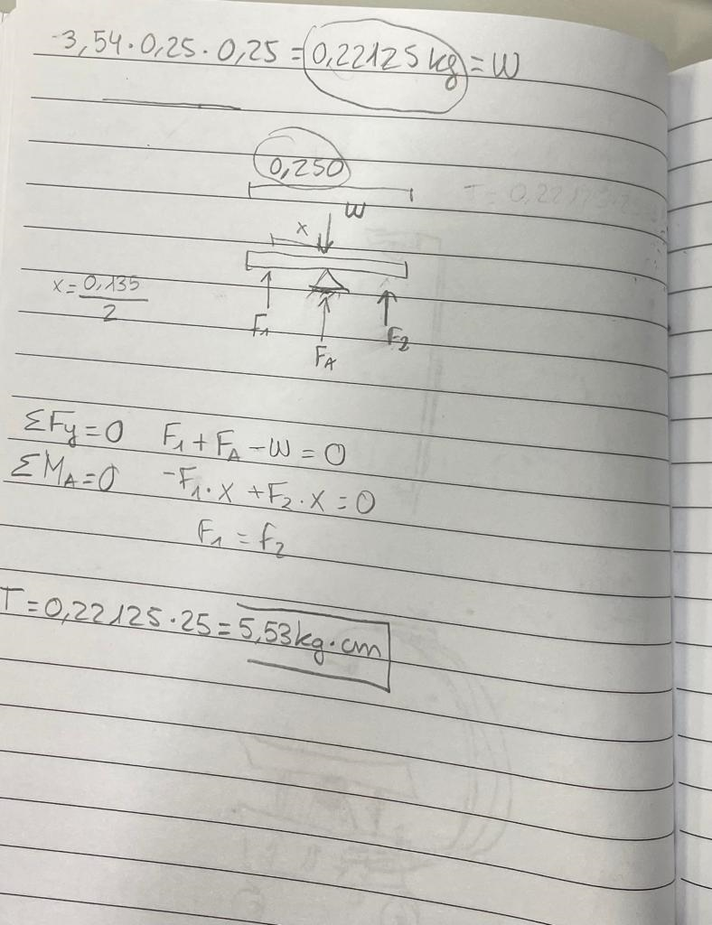
TECHNICAL SPECIFICATIONS

Customer Company | Universitat de Vic - Universitat Central de Catalunya

Engineering Company | Scorpion balance board

Revision 1 | Date: 28/02/2023

List the main characteristics of the desired device
Item number | Description
1 | Move in any direction with the most narrow movements
2 | Carry load up and down 0,22125 kg
3
4
5

Mechanical part
Dimensions (volume) | 40 cm x 25 cm x 35 cm (height)
Weight | 5 kg
Wheels | 3 wheels 65 mm diameter
Materials for the mechanical part / structure | Metraquilat (250 x 250 x 3 mm), 3D printed parts, commercial wheels
Motors | 2 DC Motors , 170 rpm, Torque = 20.5 kg·cm
Degrees of freedom | 2 for each part
Manufacturing equipment | 3D Printer
Assembly between parts | Bolts and nuts, welding for electrical and electronics parts

Electronic & programming part
Microprocessor | Rasberry pi 3
Drivers | Rasberry pi OS
Sensors | Attached camera
Communication | WiFi Dual Band 2.4 GHz and 5.0 GHz IEEE 802.11b/g/n/ac, Bluetooth 5.0, BLE. Gigabit Ethernet 2 × USB 3.0 ports 2 × USB 2.0 ports
Programming | Python
Power | 5V DC via USB-C connector (3A recommended) 5V DC via GPIO header (3A minimum) Power over Ethernet (PoE)–enabled (requires installation of POE HAT)
Autonomy | Not specified
Protoboard | No

Electronic & programming part
Microcontroller | 3 Arduino Nano
Drivers | None
Sensors | None
Communication | Serial port , Pins
Programming | Arduino IDE
Power | 5V
Autonomy | Depends on the Rasberry pi 3
Protoboard | No

Conceptual_Design
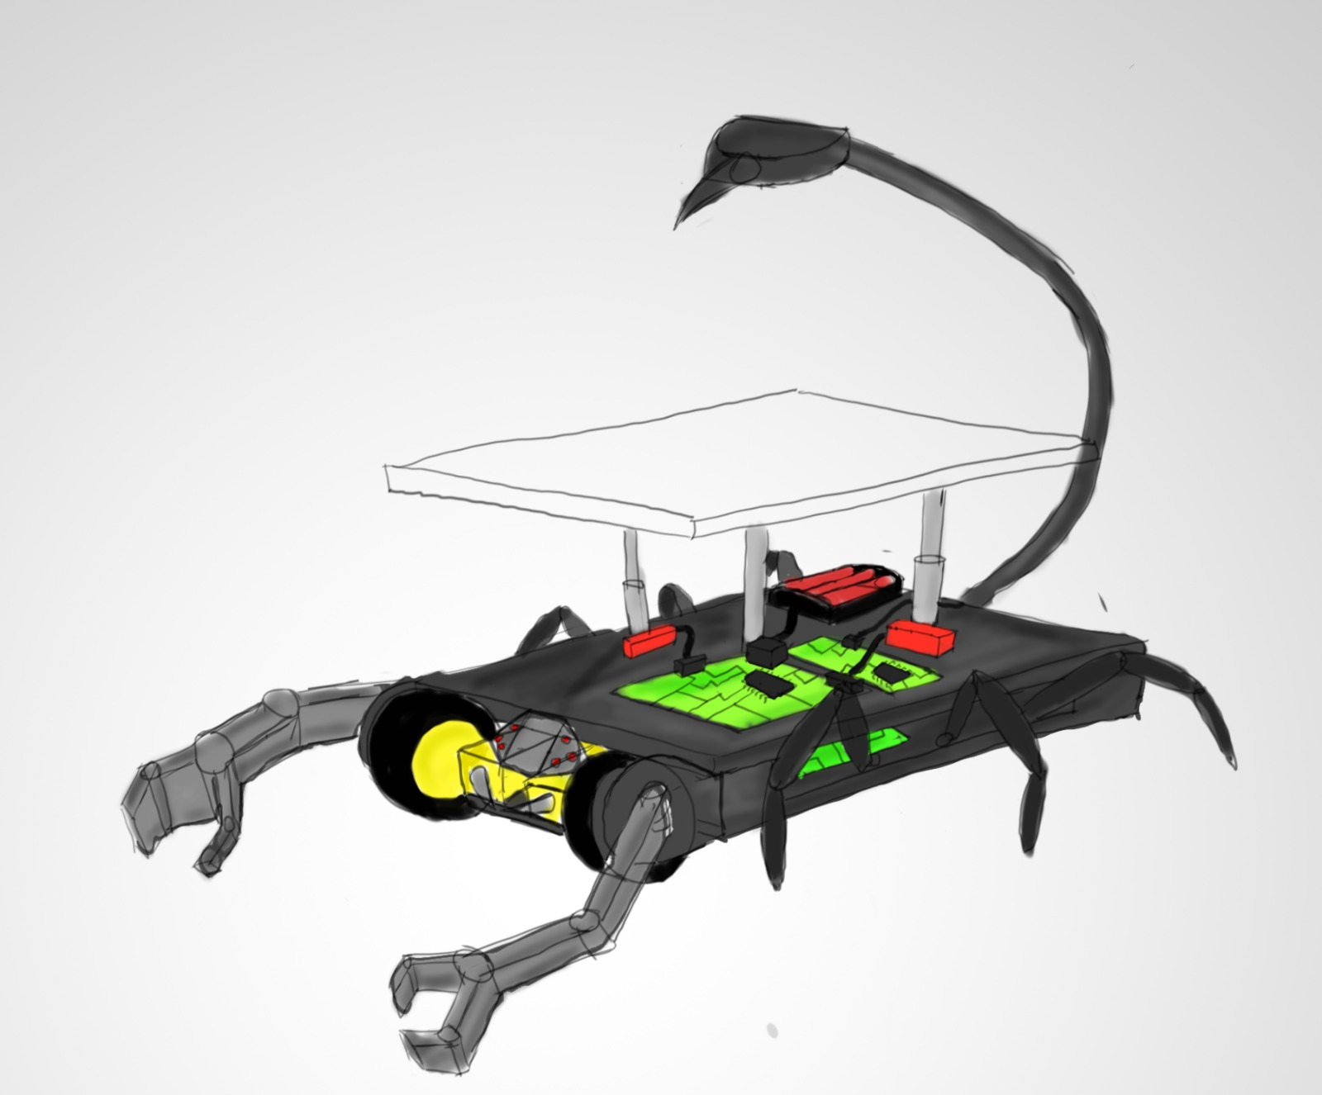
CONCEPTUAL DESIGN

Include an image (or more than one) with the current status of the conceptual design. Can be a sketches done with pencil

